Invoice
Clear & New
Save To DB
Extract / Email
Print
Payment
View Detail
Customers
Invoices
Reports
Settings
Help
About
 |  |  |  |  |  |  |  |  |  |  | Current Database | c7027 | Invoice Status | Pending

RECEIPT
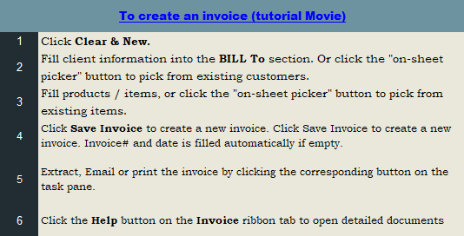
Your Hotel Name


 |  |  | Hotel Street address
 |  |  | Motel City, Prov. |  |  |  |  | DATE:
 |  |  | Motel Country, Postcode |  |  |  |  | RECEIPT #:
 |  |  | Motel Phone Number Fax Number
 |  |  | Motel Toll Free
 |  |  | Phone Number,Web Address, etc.
Save As New
View Customer



BILL TO |  |  |  |  |  | OTHER INFORMATION
 | # |  |  |  |  | Phone Number
 | Name |  |  |  |  | Toll Free Number
 | Address |  |  |  |  | Fax Number
 | City, Prov |  |  |  |  | E-Mail Address
 | Postcode
 | Country

Sales Rep. Name |  |  |  | Date |  | COD |  |  | Due Date

Room # |  | Name |  |  | Check in | Check out | # of Nites |  | Price / nite | Line Total
 |  |  |  |  |  |  | 0
 |  |  |  |  |  |  | 0
 |  |  |  |  |  |  | 0
 |  |  |  |  |  |  | 0
 |  |  |  |  |  |  | 0
 |  |  |  |  |  |  | 0
 |  |  |  |  |  |  | 0
 |  |  |  |  |  |  | 0
 |  |  |  |  |  |  | 0
 |  |  |  |  |  |  | 0
 |  |  |  |  |  |  | 0
 |  |  |  |  |  |  | 0
 |  |  |  |  |  |  |  |  | SUBTOTAL | -
 |  |  |  |  |  |  |  | TAX | 5.00% | -
 |  |  |  |  |  |  |  |  | TOTAL | -
 |  |  |  |  |  |  |  |  | PAID | -
 |  |  |  |  |  |  |  |  | TOTAL DUE | -

THANK YOU FOR YOUR BUSINESS!

Sales Report
New Report
Columns
Extract
Print
Clear

Sales Report
Your Hotel Name
Hotel Street address
Motel City, Prov.
Motel Country, Postcode

Date:
From
To

Month | Date | Cost | Invoice # | Sales Rep. | Total | Paid | Balance Due

Customer Report
New Report
Columns
Extract
Print
Clear

Customer Report
Your Hotel Name
Hotel Street address
Motel City, Prov.
Motel Country, Postcode
Date:
From
To

Customer ID | Date | Name | Invoice # | Paid | Balance Due | Total

Product Report
New Report
Columns
Extract
Print
Clear

Product Report
Your Hotel Name
Hotel Street address
Motel City, Prov.
Motel Country, Postcode
Date:
From
To

Product ID | Date | Invoice # | Description | Quantity | Price | Line Total | Unit Cost

Customer Statement
New Report
Extract
Columns
Print
Clear

Customer Statement
Your Hotel Name
Hotel Street address
Motel City, Prov.
Motel Country, Postcode

Bill To:
ID: |  |  |  | Balance forward |  | -
Name: |  |  |  | Current balance |  | -
Address:
City,ST ZIP: |  |  |  | Invoice total |  | -
Country: |  |  |  | Payment total |  | -
Phone:

Statement Period:
From:
To:

Date | Description | Document# | Due Date | Status | Amount | Balance

Sales Rep. Report
New Report
Columns
Extract
Print
Clear

Sales Rep. Report
Your Hotel Name
Hotel Street address
Motel City, Prov.
Motel Country, Postcode

Date:
From
To

Sales Rep. | Date | P.O. # | Invoice # | Cost | Total | Paid | Balance Due

Payment Report
New Report
Columns
Extract
Print
Clear

Payment Report
Your Hotel Name
Hotel Street address
Motel City, Prov.
Motel Country, Postcode

Date:
From
To

Type | Date | Invoice # | Check / Money Order # | Amount | Customer ID | Customer Name

