Invoice
Clear & New
Save To DB
Extract / Email
Print
Payment
View Detail
Customers
Invoices
Reports
Settings
Help
About
 |  |  |  |  |  |  |  |  | Invoice Status | Pending | Current Database | c7030

Your Hotel Business Name
INVOICE
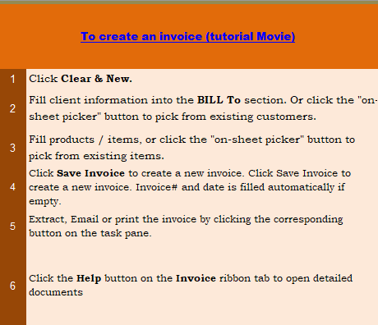
 |  |  |  |  |  |  |  |  | Your Hotel Name (for Reports)
Hotel Street address
Motel City, Prov. |  |  |  |  |  | DATE: | 2019-05-15
Motel Country, Postcode |  |  |  |  |  | RECEIPT #: | INV1049
Motel Phone Number Fax Number
Motel Toll Free
Save As New
View Customer
Phone Number,Web Address, etc.

BILL TO |  |  | OTHER INFORMATION
# | C1011
Name | Cust Name1
Address | add1
City, Prov | city, prov1
Postcode
E-Mail | email1

Sales Rep. Name |  | Date |  | COD |  |  | Due Date
 |  | 0:00:00




Room # | Name |  | Check in | Check out | # of Nites |  | Price / nite | Line Total
c7030 | guest name |  | 2016-08-01 | 2016-08-05 | 4 |  | 300.00 | 1,200.00
 |  |  |  |  | 0
 |  |  |  |  | 0
 |  |  |  |  | 0
 |  |  |  |  | 0
 |  |  |  |  | 0
 |  |  |  |  | 0
 |  |  |  |  | 0
 |  |  |  |  | 0
 |  |  |  |  | 0
 |  |  |  |  | 0
 |  |  |  |  | 0
 |  |  |  |  |  |  | SUBTOTAL | 1,200.00
Bank account name |  |  |  |  |  | TAX | 5.00% | 60.00
Please make all check payable to [account] |  |  |  |  |  |  | TOTAL | 1,260.00
You can also make online payment using the PayPal button |  |  |  |  |  |  | PAID | -
 |  |  |  |  |  |  | TOTAL DUE | 1,260.00

THANK YOU FOR YOUR BUSINESS!

Sales Report
New Report
Columns
Extract
Print
Clear

Sales Report
Your Hotel Name (for Reports)
Hotel Street address
Motel City, Prov.
Motel Country, Postcode

Date:
From
To

Month | Date | Cost | Invoice # | Sales Rep. | Total | Paid | Balance Due

Customer Report
New Report
Columns
Extract
Print
Clear

Customer Report
Your Hotel Name (for Reports)
Hotel Street address
Motel City, Prov.
Motel Country, Postcode
Date:
From
To

Customer ID | Date | Name | Invoice # | Paid | Balance Due | Total

Product Report
New Report
Columns
Extract
Print
Clear

Product Report
Your Hotel Name (for Reports)
Hotel Street address
Motel City, Prov.
Motel Country, Postcode
Date:
From
To

Product ID | Date | Invoice # | Description | Quantity | Price | Line Total | Unit Cost

Customer Statement
New Report
Extract
Columns
Print
Clear

Customer Statement
Your Hotel Name (for Reports)
Hotel Street address
Motel City, Prov.
Motel Country, Postcode

Bill To:
ID: |  |  |  | Balance forward |  | -
Name: |  |  |  | Current balance |  | -
Address:
City,ST ZIP: |  |  |  | Invoice total |  | -
Country: |  |  |  | Payment total |  | -
Phone:

Statement Period:
From:
To:

Date | Description | Document# | Due Date | Status | Amount | Balance

Sales Rep. Report
New Report
Columns
Extract
Print
Clear

Sales Rep. Report
Your Hotel Name (for Reports)
Hotel Street address
Motel City, Prov.
Motel Country, Postcode

Date:
From
To

Sales Rep. | Date | P.O. # | Invoice # | Cost | Total | Paid | Balance Due

Payment Report
New Report
Columns
Extract
Print
Clear

Payment Report
Your Hotel Name (for Reports)
Hotel Street address
Motel City, Prov.
Motel Country, Postcode

Date:
From
To

Type | Date | Invoice # | Check / Money Order # | Amount | Customer ID | Customer Name

